2. - UX Persona
2. Exercise - Persona
Build a UX persona corresponding to your primary customer segment following our template.

First name, quick description
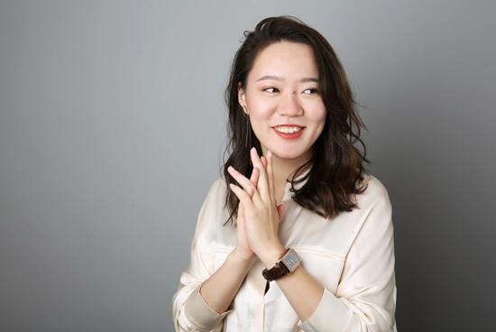
Add profile picture | 1. Basic Info
 | Name | Laura
 | Nickname | Cici
 | Age | 26
 | Nationality | Shanghai
 | Lives in | Heilongjiang
 | Job | Writer
 | Relationship status | Unmarried
 | Income | Reasonable

 | 2. Detailed goals
 | She has to record her weight, exercise and diet every day.
 | She wants a more reasonable diet.
 | She wants to lose weight.
 | She wants a better body shape.
 | She wants to do sports at home every day.

 | 3. Typical behaviors
 | She recorded her weight and mood by hand
 | She always searches for some healthy recipes online
 | She doesn't have time to go to the gym
 | Because of her profession, her shoulders and necks are often very tired
 | She often stays up late
 | She often buys health products

